ChartData
Excellerated Learning Tools
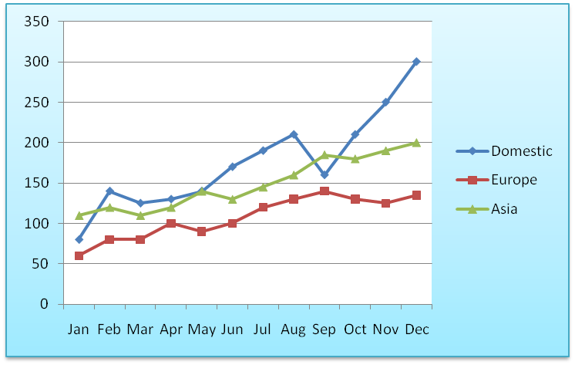
Excellerated Learning Tools
World-wide Sales - Millions of Dollars

 | Domestic | Europe | Asia | Total
Jan | 80 | 60 | 110 | 250
Feb | 140 | 80 | 120 | 340
Mar | 125 | 80 | 110 | 315
Apr | 130 | 100 | 120 | 350
May | 140 | 90 | 140 | 370
Jun | 170 | 100 | 130 | 400
Jul | 190 | 120 | 145 | 455
Aug | 210 | 130 | 160 | 500
Sep | 160 | 140 | 185 | 485
Oct | 210 | 130 | 180 | 520
Nov | 250 | 125 | 190 | 565
Dec | 300 | 135 | 200 | 635

Total | 2,105 | 1,290 | 1,790 | 5,185

% of Total | 40.6% | 24.9% | 34.5%

Shapes
Text Here
Text Here
Text Here
Text Here

